Sheet1
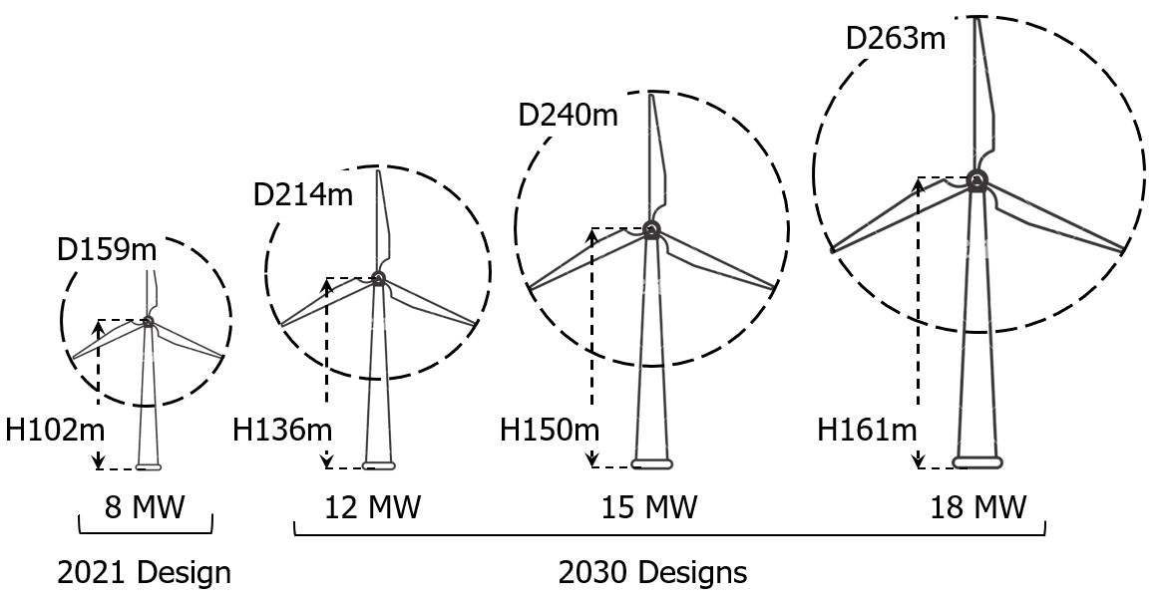
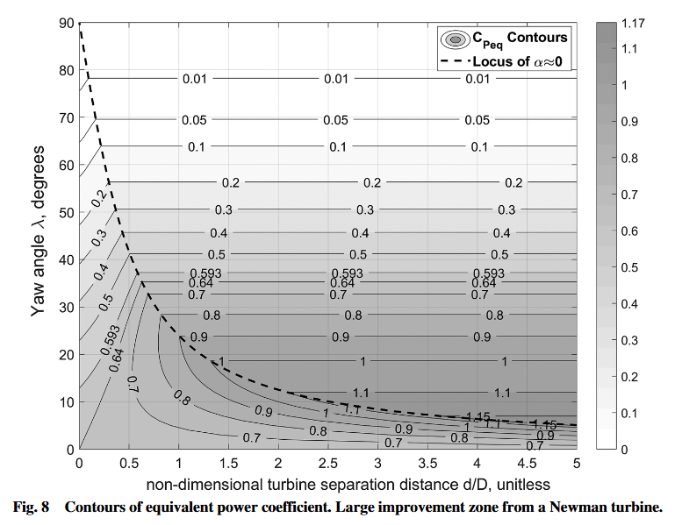
 |  |  |  |  |  |  | m/s | kw | $/kWh | $/kWh x 10
Constants | Rotor Diameter | Rotor Area | Turbine Spacing | Non-Dim Turbine Separation Distance d/D | Optimal Yaw Angle | Cp | Rated Flow Speed | Rated Power | CapEx | OpEx | Rotor Radius | *Assume operation at optimal wake fraction, axial induction factors
Rho | Make sure this is reasonable | This gets solved for based on rated flow speed, rated power, and cp |  | User Define | From Plot | From Plot | User Define | User Define | From Plot | From Plot |  | *Assume depth does not affect power output (not completely unreasonable for a coaxial turbine; no tether drag))
1000 | 26.190080058 | 538.72053872 | 52.380160117 | 2 | 13 | 1.1 | 1.5 | 1000 | 0.35 | 0.325 | 13.095040029
 | 37.269137289 | 1090.9090909 | 74.538274578 | 2 | 13 | 1.1 | 1 | 600 | 0.425 | 0.305 | 18.634568644
 | 96.228498698 | 7272.7272727 | 192.4569974 | 2 | 13 | 1.1 | 0.5 | 500 |  |  | 48.114249349
 | #DIV/0! | #DIV/0! | #DIV/0! |  |  |  |  |  |  |  | #DIV/0! |  | 0.593
 | #DIV/0! | #DIV/0! | #DIV/0! |  |  |  |  |  |  |  | #DIV/0! | NOTE THAT THIS IS THE ROTOR RADIUS
 | #DIV/0! | #DIV/0! | #DIV/0! |  |  |  |  |  |  |  | #DIV/0!
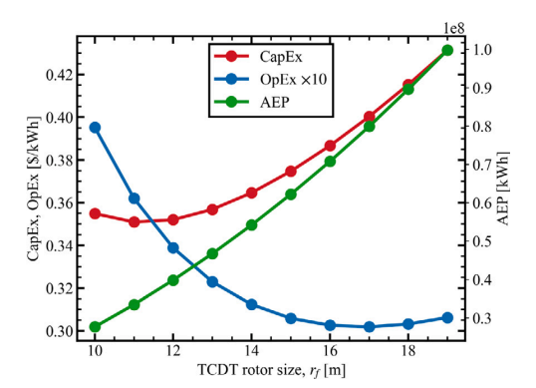
 | #DIV/0! | #DIV/0! | #DIV/0! |  |  |  |  |  |  |  | #DIV/0!
 | #DIV/0! | #DIV/0! | #DIV/0! |  |  |  |  |  |  |  | #DIV/0!
 | #DIV/0! | #DIV/0! | #DIV/0! |  |  |  |  |  |  |  | #DIV/0!
 | #DIV/0! | #DIV/0! | #DIV/0! |  |  |  |  |  |  |  | #DIV/0!
 | #DIV/0! | #DIV/0! | #DIV/0! |  |  |  |  |  |  |  | #DIV/0!
 | #DIV/0! | #DIV/0! | #DIV/0! |  |  |  |  |  |  |  | #DIV/0!
 | #DIV/0! | #DIV/0! | #DIV/0! |  |  |  |  |  |  |  | #DIV/0!
 | #DIV/0! | #DIV/0! | #DIV/0! |  |  |  |  |  |  |  | #DIV/0!
 | #DIV/0! | #DIV/0! | #DIV/0! |  |  |  |  |  |  |  | #DIV/0!
 | #DIV/0! | #DIV/0! | #DIV/0! |  |  |  |  |  |  |  | #DIV/0!
 | #DIV/0! | #DIV/0! | #DIV/0! |  |  |  |  |  |  |  | #DIV/0!
 | #DIV/0! | #DIV/0! | #DIV/0! |  |  |  |  |  |  |  | #DIV/0!

 | No bigger than wind turbine! |  |  | Will give optimal cp |  | For Cp of this size, solve for rotor area
 | Should be making more power than wind turbine at same size
 |  |  |  |  |  | Want designs below 0.593 line

